MCF
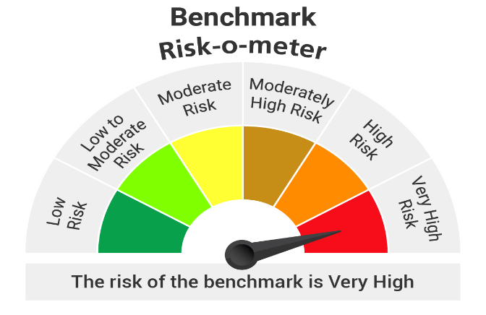
 |  | Portfolio of Kotak Nifty Midcap 50 Index Fund as on 31-Mar-2026
Name of Instrument |  |  | ISIN Code | Industry | Yield | Quantity | Market Value (Rs.in Lacs) | % to Net Assets
Equity & Equity related
 | Listed/Awaiting listing on Stock Exchange
 |  | BSE LTD | INE118H01025 | Capital Markets |  | 13545 | 363.48 | 5.72
 |  | Hero MotoCorp Ltd. | INE158A01026 | Automobiles |  | 4303 | 217.86 | 3.43
 |  | FEDERAL BANK LTD. | INE171A01029 | Banks |  | 81595 | 211.66 | 3.33
 |  | MULTI COMMODITY EXCHANGE OF INDIA LIMITED | INE745G01043 | Capital Markets |  | 8457 | 202.07 | 3.18
 |  | Lupin Ltd. | INE326A01037 | Pharmaceuticals and Biotechnology |  | 8040 | 186.04 | 2.93
 |  | Indus Towers Ltd. | INE121J01017 | Telecom - Services |  | 42905 | 179.41 | 2.82
 |  | Persistent Systems Limited | INE262H01021 | IT - Software |  | 3607 | 175.92 | 2.77
 |  | INDUSIND BANK LTD. | INE095A01012 | Banks |  | 21830 | 164.26 | 2.59
 |  | PB Fintech Ltd. | INE417T01026 | Financial Technology (Fintech) |  | 11294 | 161.26 | 2.54
 |  | Suzlon Energy Ltd. | INE040H01021 | Electrical Equipment |  | 402359 | 159.17 | 2.51
 |  | AU SMALL FINANCE BANK LTD. | INE949L01017 | Banks |  | 18750 | 158.01 | 2.49
 |  | BHARAT FORGE LTD. | INE465A01025 | Auto Components |  | 8836 | 147.97 | 2.33
 |  | Ashok Leyland Ltd. | INE208A01029 | Agricultural, Commercial and Constr |  | 94842 | 146.18 | 2.30
 |  | ICICI Lombard General Insurance Company Ltd | INE765G01017 | Insurance |  | 8040 | 137.53 | 2.17
 |  | Fortis Healthcare India Ltd | INE061F01013 | Healthcare Services |  | 17273 | 137.32 | 2.16
 |  | One 97 Communications Ltd | INE982J01020 | Financial Technology (Fintech) |  | 13941 | 133.69 | 2.10
 |  | Dixon Technologies India Ltd | INE935N01020 | Consumer Durables |  | 1367 | 132.23 | 2.08
 |  | Max Financial Services Ltd | INE180A01020 | Insurance |  | 8792 | 131.06 | 2.06
 |  | IDFC FIRST BANK LIMITED | INE092T01019 | Banks |  | 219585 | 129.23 | 2.03
 |  | MARICO LTD. | INE196A01026 | Agricultural Food and other Product |  | 17542 | 129.10 | 2.03
 |  | Laurus Labs Ltd | INE947Q01028 | Pharmaceuticals and Biotechnology |  | 12898 | 128.04 | 2.02
 |  | Coforge Limited | INE591G01025 | IT - Software |  | 11134 | 124.11 | 1.95
 |  | Info Edge India Ltd. | INE663F01032 | Retailing |  | 12667 | 122.58 | 1.93
 |  | Aurobindo Pharma Ltd. | INE406A01037 | Pharmaceuticals and Biotechnology |  | 9265 | 120.85 | 1.90
 |  | polycab India Limited | INE455K01017 | Industrial Products |  | 1749 | 119.69 | 1.88
 |  | Bharat Heavy Electricals Ltd. | INE257A01026 | Electrical Equipment |  | 48387 | 118.79 | 1.87
 |  | SWIGGY LTD | INE00H001014 | Retailing |  | 45485 | 118.28 | 1.86
 |  | SRF LTD. | INE647A01010 | Chemicals and Petrochemicals |  | 4812 | 117.32 | 1.85
 |  | APL Apollo Tubes Ltd | INE702C01027 | Industrial Products |  | 6030 | 116.80 | 1.84
 |  | HINDUSTAN PETROLEUM CORPORATION LTD. | INE094A01015 | Petroleum Products |  | 31832 | 106.76 | 1.68
 |  | FSN E-Commerce Ventures Ltd. | INE388Y01029 | Retailing |  | 45326 | 106.52 | 1.68
 |  | UPL Ltd | INE628A01036 | Fertilizers and Agrochemicals |  | 18590 | 105.58 | 1.66
 |  | Alkem Laboratories Ltd. | INE540L01014 | Pharmaceuticals and Biotechnology |  | 1939 | 102.75 | 1.62
 |  | YES BANK LTD. | INE528G01035 | Banks |  | 582107 | 100.41 | 1.58
 |  | GMR AIRPORTS LIMITED | INE776C01039 | Transport Infrastructure |  | 118280 | 100.24 | 1.58
 |  | Havells India Ltd. | INE176B01034 | Consumer Durables |  | 8360 | 99.53 | 1.57
 |  | WAAREE ENERGIES LIMITED | INE377N01017 | Electrical Equipment |  | 3175 | 98.74 | 1.55
 |  | PHOENIX MILLS LTD. | INE211B01039 | Realty |  | 6187 | 93.19 | 1.47
 |  | Mphasis Ltd | INE356A01018 | IT - Software |  | 4387 | 90.07 | 1.42
 |  | Tube Investments Of India Ltd. | INE974X01010 | Auto Components |  | 3541 | 89.14 | 1.40
 |  | NMDC Ltd. | INE584A01023 | Minerals and Mining |  | 114572 | 87.38 | 1.38
 |  | Oil India Limited | INE274J01014 | Oil |  | 18080 | 85.96 | 1.35
 |  | Dabur India Ltd. | INE016A01026 | Personal Products |  | 19572 | 80.33 | 1.26
 |  | Supreme Industries Limited | INE195A01028 | Industrial Products |  | 2134 | 79.92 | 1.26
 |  | Colgate- Palmolive (India) Ltd. | INE259A01022 | Personal Products |  | 4366 | 78.09 | 1.23
 |  | NHPC Ltd. | INE848E01016 | Power |  | 104864 | 77.31 | 1.22
 |  | MANKIND PHARMA LTD | INE634S01028 | Pharmaceuticals and Biotechnology |  | 3751 | 75.24 | 1.18
 |  | GODREJ PROPERTIES LIMITED | INE484J01027 | Realty |  | 4934 | 72.59 | 1.14
 |  | SBI CARDS & PAYMENT SERVICES PVT. LTD. | INE018E01016 | Finance |  | 9937 | 63.14 | 0.99
 |  | Prestige Estates Projects Limited | INE811K01011 | Realty |  | 5592 | 62.99 | 0.99
 |  |  |  | Total |  |  | 6,345.79 | 99.88

 |  | Triparty Repo |  |  | 6.03 |  | 169.97 | 2.68

Net Current Assets/(Liabilities) |  |  |  |  |  |  | -164.09 | -2.56

 |  |  |  | Grand Total |  |  | 6,351.67 | 100.00

Notes :
1 | Face Value per unit: Rs. : 10

2 | Portfolio Turnover Ratio : 74.94%

3 | For NAV and IDCW refer NAV & IDCW details at the end of Monthly Portfolio

 |  | Nav Details :-
 |  | SCHEME | NAV From 28/02/2026 | NAV To 31/03/2026
 |  | Kotak Nifty Midcap 50 Index Fund Growth | 10.213 | 9.120
 |  | Kotak Nifty Midcap 50 Index Fund IDCW | 10.213 | 9.120
 |  | Kotak Nifty Midcap 50 Index Fund-Direct Growth | 10.310 | 9.211
 |  | Kotak Nifty Midcap 50 Index Fund-Direct IDCW | 10.310 | 9.211

4 | SO: Structured Obligations FRB: Floating Rate Bond CP: Commercial Paper CE: Credit Enhancement,CD: Certificate of Deposit TB: Treasury Bills/Cash Management Bills ZCB: Zero Coupon Bonds IDCW: Income Distribution Capital Withdrawl Plan

Scheme
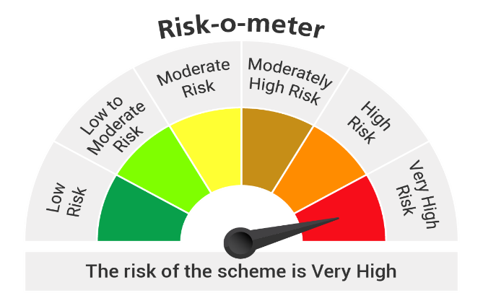

Benchmark - Nifty Midcap 50 Index (Total Return Index (TRI))

